KKO
KAJIAN KELAYAKAN OPERASI

DAYA LAMA |  |  |  | DAYA BARU
Nama Pelanggan | : | PT. MELADY GARMENT |  | Nama Pelanggan | : | PT. MELADY GARMENT
Daya Lama (VA) | : | 131000 |  | Daya Baru (VA) | : | 197000
Jumlah Fasa | : | 3 | * | Jumlah Fasa | : | 3
Tegangan Sekunder Pengukuran rata-rata (Fasa-Netral) (V) | : | 380 | * | Tegangan Sekunder Pengukuran rata-rata (Fasa-Netral) (V) | : | 380
Beban Pelanggan (A) | : | 199.03 |  | Beban Pelanggan (A) | : | 299.31

SUPLAI TRAFO EKSISTING |  |  |  | SUPLAI TRAFO RENCANA
Nomor Tiang | : | MGN03-92 |  | Nomor Tiang | : | MGN03-89/5
Penyulang | : | MGN 03 |  | Penyulang | : | MGN 03
Daya | : | 160 | * | Daya | : | 250
Jumlah Fasa | : | 3 | * | Jumlah Fasa | : | 3
Beban TRAFO (Pengukuran Lapangan) |  | 269 |  | Beban TRAFO | : | 50.00
Beban Primer | : | 4.62 | * | Beban Primer | : | 7.22
Beban Sekunder | : | 243.09 | * | Beban Sekunder | : | 379.84
Beban (A) | : | #VALUE! |  | Beban (A) | : | #VALUE!
Prosentase Pembebanan | : | 111% |  | Beban (A) | : | 13%
 | 13% | 100%
Prosentase Pembebanan | : | 100% |  | Beban (A) | : | 100%

DATA





DATA
Tahun | : | 2022
Discount Rate | : | 12%
Transfer price TM | : | 1,084 |  | Marginal COST maret 2022
Umur ekonomis (tahun) | : | 25.00
Selisih Susut Teknis | : | 2.25%
∑ Daya | : | 66
BP (Rp) | : | 61,842,000
RAB (Rp) | : | 163,350,954
Biaya O&M (2% invest) | : | 3,267,019.08

Nama Pelanggan | : | PT. MELADY GARMENT | *
Golongan Pelanggan | : | I2 | *
Jenis Layanan | : | INDUSTRI | *
Daya Lama (kVA) | : | 131 | *
Daya Baru (kVA) | : | 197 | *
Tarif WBP (Rp/kWh) | : | 1,444.70 | *
Tarif LWBP (Rp/kWh) | : | 1,444.70 | *
BP (Rp/VA) TR | : | 937 | *
Jam Nyala | : | 40 | *

RAB
 |  | PT. PLN ( PERSERO )
 |  | UNIT INDUK DISTRIBUSI JAWA TENGAH & DI YOGYAKARTA |  |  |  |  |  |  |  |  |  | RAB TOTAL
 |  | UP3 DEMAK |  |  |  |  |  |  |  |  | RAB TOTAL | RAB NON MDU
 | RENCANA ANGGARAN BIAYA (RAB)

 |  |  |  | Pekerjaan | : | PT. MELADY GARMEN
 |  |  |  | Lokasi | : | JL RAYA PURWODADI - SEMARANG KM 17 KALITENGAH MRANGGEN
 |  |  |  | Pelaksana | : | PT. PLN (PERSERO) UP3 DEMAK
 |  |  |  | Anggaran | : | SAR 2023

Note !! 1. Saat Pengisian Uraian di mohon memasukan nama material sesuai dengan nama material di harga satuan
2. Mohon di cek kembali saat pengisian volume material
3. Untuk program Sarana Penunjang Fungsi tidak perlu SLO.
 | NO | URAIAN | GOL | SAT | VOL | HARGA SATUAN | BIAYA YANG DIPERLUKAN ( Rp )
 |  |  |  |  |  |  | MDU | HARDWARE | JASA | JUMLAH

#REF! | A | PEMASANGAN TIANG |  |  |  | 0 | 0 | 0 | 0 | 0
#REF! |  |  |  |  |  | 0 | 0 | 0 | 0 | 0
#REF! | + | Tiang Beton 12M-350 daN+E | HDW | Unit | 2 | 6,074,400 | 0 | 12,148,800 | 0 | 12,148,800
#REF! | + | Penomoran Tiang | JASA | Unit | 1 | 10,067 | 0 | 0 | 10,067 | 10,067
#REF! | + | Penghalang Panjat dan Papan Peringatan | HDW | Unit | 1 | 200,000 | 0 | 200,000 | 0 | 200,000
#REF! | + | Upah Pasang Tiang Beton 12M-350 daN+E | JASA | Unit | 2 | 852,274 | 0 | 0 | 1,704,548 | 1,704,548
#REF! |  |  |  |  |  | 0 | 0 | 0 | 0 | 0
#REF! |  |  |  |  |  | 0 | 0 | 0 | 0 | 0
#REF! | B | PEKERJAAN PEMASANGAN KONSTRUKSI TR |  |  |  | 0 | 0 | 0 | 0 | 0
#REF! | + | Trafo 3 Fasa 200 KVA 2 Tiang (G313) |  | Unit | 1 | 0 | 0 | 0 | 0 | 0
#REF! | 1 | Trafo 3 phasa 250 kVA DYn5 | MDU-KD | Bh | 1 | 63,057,400 | 63,057,400 | 0 | 0 | 63,057,400
#REF! | 2 | Jumper Wire : |  |  |  | 0 | 0 | 0 | 0 | 0
#REF! |  | AAAC 70 mm² | MDU-KD | Mtr | 9 | 14,200 | 127,800 | 0 | 0 | 127,800
#REF! |  | NFA2X-T 3x70+1x70 | MDU-KD | Mtr | 3 | 54,500 | 163,500 | 0 | 0 | 163,500
v | 3 | Lightning Arester (Polymer) 21 KV, 10 KA | MDU-KD | Bh | 3 | 725,900 | 2,177,700 | 0 | 0 | 2,177,700
#REF! | 4 | FCO Polymer | MDU-KD | Bh | 3 | 848,250 | 2,544,750 | 0 | 0 | 2,544,750
#REF! | 5 | Fuse Link 6 A | HDW | Bh | 3 | 18,000 | 0 | 54,000 | 0 | 54,000
#REF! | 6 | Sepatu Kabel AL/CU Ring 95 | HDW | Bh | 13 | 64,300 | 0 | 835,900 | 0 | 835,900
#REF! | 7 | Bolt Machine / Bolt cariage ½" x ¾" | HDW | Bh | 28 | 7,938 | 0 | 222,264 | 0 | 222,264
 | 8 | Bracket band segment,vertikal plat ( Hot dip galvanis ) | HDW | Bh | 2 | 404,600 | 0 | 809,200 | 0 | 809,200
 | 9 | Compresion Conector H type 70 mm² / 70 mm² | HDW | Bh | 3 | 15,900 | 0 | 47,700 | 0 | 47,700
#REF! | 10 | Cross Arm Steel 2.000 mm ( UNSP 10 ) galvanis | HDW | Bh | 5 | 380,500 | 0 | 1,902,500 | 0 | 1,902,500
#REF! | 11 | Cross Arm Steel 3.000 mm ( UNSP 10 ) galvanis | HDW | Bh | 4 | 559,200 | 0 | 2,236,800 | 0 | 2,236,800
#REF! | 12 | Hot Line Clamp ( 150mm² s/d 240 mm² ) | HDW | Bh | 3 | 173,400 | 0 | 520,200 | 0 | 520,200
#REF! | 13 | Pole Band Single Rack 7" atau 7 ½" | HDW | Bh | 2 | 57,690 | 0 | 115,380 | 0 | 115,380
 | 14 | Pole Band Single Rack 8" atau 8 ½" | HDW | Bh | 2 | 60,300 | 0 | 120,600 | 0 | 120,600
 | 15 | Steel L 70 x 70 x 7 x 780 mm galvanis | HDW | Bh | 4 | 129,000 | 0 | 516,000 | 0 | 516,000
#REF! | 16 | Upah Pasang Trafo 3 Fasa 250 KVA 2 Tiang | JASA | Unit | 1 | 4,127,900 | 0 | 0 | 4,127,900 | 4,127,900
#REF! |  |  |  |  |  | 0 | 0 | 0 | 0 | 0
#REF! | + | CC1-A |  | Unit | 1 | 0 | 0 | 0 | 0 | 0
#REF! | 1 | Isolator Tumpu ( Pin Post ) 20 KV Porcelein | MDU-KD | Bh | 1 | 235,900 | 235,900 | 0 | 0 | 235,900
 | 2 | Isolator Tumpu ( Pin Post ) 20 KV Porcelein | MDU-KD | Bh | 2 | 235,900 | 471,800 | 0 | 0 | 471,800
 | 3 | Bolt Machine ⅝" x 10" | HDW | Bh | 3 | 26,500 | 0 | 79,500 | 0 | 79,500
#REF! | 4 | Bolt Machine / Bolt cariage ½" x ¾" | HDW | Bh | 2 | 7,938 | 0 | 15,876 | 0 | 15,876
#REF! | 5 | Bolt Single Up Side ⅝" x 10" | HDW | Bh | 1 | 33,600 | 0 | 33,600 | 0 | 33,600
#REF! | 6 | Brace Steel 770 mm | HDW | Bh | 2 | 45,000 | 0 | 90,000 | 0 | 90,000
#REF! | 7 | Center Bracket 12.5 KN | HDW | Bh | 1 | 95,000 | 0 | 95,000 | 0 | 95,000
 | 8 | Cross Arm Steel 2.000 mm ( UNSP 10 ) galvanis | HDW | Bh | 1 | 380,500 | 0 | 380,500 | 0 | 380,500
#REF! | 9 | Lock Nut ⅝" | HDW | Bh | 4 | 11,400 | 0 | 45,600 | 0 | 45,600
#REF! | 10 | Pole Band Single Rack 7" atau 7 ½" | HDW | Bh | 1 | 57,690 | 0 | 57,690 | 0 | 57,690
#REF! | 11 | Spool Insulator ANSI 53 - 2 | HDW | Bh | 1 | 28,000 | 0 | 28,000 | 0 | 28,000
 | 12 | Tie Wire # 4 / Alluminium bonding wire # 20 | HDW | Mtr | 6.2 | 8,550 | 0 | 53,010 | 0 | 53,010
 | 13 | Washer Square 2 ¼" | HDW | Bh | 5 | 2,500 | 0 | 12,500 | 0 | 12,500
#REF! | 14 | Upah Pasang Konst. JTM 3 Fasa C1-A | JASA | Unit | 1 | 111,000 | 0 | 0 | 111,000 | 111,000
#REF! |  |  |  |  |  | 0 | 0 | 0 | 0 | 0
#REF! |  |  |  |  |  | 0 | 0 | 0 | 0 | 0
#REF! | + | CC7 |  | Unit | 2 | 0 | 0 | 0 | 0 | 0
 | 1 | Isolator Tarik ( Strainkap Porcelain ) 20 KV | MDU-KD | Set | 6 | 430,000 | 2,580,000 | 0 | 0 | 2,580,000
 | 2 | Armour Tape ¼" wide | HDW | Mtr | 2 | 7,789 | 0 | 15,578 | 0 | 15,578
#REF! | 3 | Bolt Double Arming ⅝" x 14" | HDW | Bh | 4 | 40,000 | 0 | 160,000 | 0 | 160,000
 | 4 | Bolt Machine ⅝" x 10" | HDW | Bh | 2 | 26,500 | 0 | 53,000 | 0 | 53,000
 | 5 | Bolt Machine / Bolt cariage ½" x ¾" | HDW | Bh | 8 | 7,938 | 0 | 63,504 | 0 | 63,504
#REF! | 6 | Brace Steel 770 mm | HDW | Bh | 8 | 45,000 | 0 | 360,000 | 0 | 360,000
 | 7 | Clevis Swinging Secondary | HDW | Bh | 2 | 15,500 | 0 | 31,000 | 0 | 31,000
 | 8 | Cross Arm Steel 2.000 mm ( UNSP 10 ) galvanis | HDW | Bh | 4 | 380,500 | 0 | 1,522,000 | 0 | 1,522,000
#REF! | 9 | Lock Nut ⅝" | HDW | Bh | 8 | 11,400 | 0 | 91,200 | 0 | 91,200
 | 10 | Loop Dead End Clamp / LC ( 35 s/d 240 ) mm² | HDW | Bh | 4 | 29,600 | 0 | 118,400 | 0 | 118,400
 | 11 | Oval Eye Bolt ⅝" x 10" | HDW | Bh | 2 | 27,815 | 0 | 55,630 | 0 | 55,630
#REF! | 12 | Oval Eye Nut ⅝" | HDW | Bh | 6 | 23,936 | 0 | 143,616 | 0 | 143,616
#REF! | 13 | Pole Band Double Rack 7" atau 7 ½" | HDW | Bh | 2 | 63,500 | 0 | 127,000 | 0 | 127,000
#REF! | 14 | Pole Band Single Rack 7" atau 7 ½" | HDW | Bh | 2 | 57,690 | 0 | 115,380 | 0 | 115,380
 | 15 | Schackle Anchor ⅝" | HDW | Bh | 6 | 16,000 | 0 | 96,000 | 0 | 96,000
 | 16 | Spool Insulator ANSI 53 - 4 | HDW | Bh | 2 | 33,502 | 0 | 67,004 | 0 | 67,004
#REF! | 17 | Washer Square 2 ¼" | HDW | Bh | 22 | 2,500 | 0 | 55,000 | 0 | 55,000
#REF! | 18 | Upah Pasang Konst. JTM 3 Fasa C7 | JASA | Unit | 2 | 134,700 | 0 | 0 | 269,400 | 269,400
#REF! |  |  |  |  |  | 0 | 0 | 0 | 0 | 0
#REF! | + | CM5-5 |  | Unit | 3 | 0 | 0 | 0 | 0 | 0
#REF! | 1 | Isolator Tumpu ( Pin Post ) 20 KV Porcelein | MDU-KD | Bh | 3 | 235,900 | 707,700 | 0 | 0 | 707,700
#REF! | 2 | Washer Square 2 ¼" | HDW | Bh | 6 | 2,500 | 0 | 15,000 | 0 | 15,000
 | 3 | Tie Wire # 4 / Alluminium bonding wire # 20 | HDW | Mtr | 5.4 | 8,550 | 0 | 46,170 | 0 | 46,170
 | 4 | Upah Pasang Acc.Jar M5-5 | JASA | Unit | 3 | 31,200 | 0 | 0 | 93,600 | 93,600
#REF! |  |  |  |  |  | 0 | 0 | 0 | 0 | 0
#REF! | + | CM2-12 |  | Unit | 2 | 0 | 0 | 0 | 0 | 0
#REF! | 1 | Bimetalic Connector 35 - 240 mm² | HDW | Bh | 2 | 47,459 | 0 | 94,918 | 0 | 94,918
#REF! | 2 | Ground wire Cu 16 mm² | HDW | Mtr | 1.6 | 30,000 | 0 | 48,000 | 0 | 48,000
 | 3 | Ground rod & Washer | HDW | Bh | 2 | 9,500 | 0 | 19,000 | 0 | 19,000
#REF! | 4 | Upah Pasang Acc.Jar M2-12 | JASA | Unit | 2 | 16,200 | 0 | 0 | 32,400 | 32,400
#REF! |  |  |  |  |  | 0 | 0 | 0 | 0 | 0
#REF! | + | CM2-11M |  | Unit | 3 | 0 | 0 | 0 | 0 | 0
 | 1 | Ground rod ⅝" x 8" Copper Weld | HDW | Bh | 3 | 185,200 | 0 | 555,600 | 0 | 555,600
 | 2 | Bimetalic Connector 35 - 240 mm² | HDW | Bh | 3 | 47,459 | 0 | 142,377 | 0 | 142,377
#REF! | 3 | Clamp Ground Rod ⅝" | HDW | Bh | 3 | 4,880 | 0 | 14,640 | 0 | 14,640
#REF! | 4 | Ground wire Cu 16 mm² | HDW | Mtr | 30 | 30,000 | 0 | 900,000 | 0 | 900,000
#REF! | 5 | Ground rod & Washer | HDW | Bh | 6 | 9,500 | 0 | 57,000 | 0 | 57,000
#REF! | 6 | Pipa PVC ½" | HDW | Bh | 16.5 | 6,100 | 0 | 100,650 | 0 | 100,650
 | 7 | Stopping Buckle / Yokes | HDW | Bh | 18 | 2,300 | 0 | 41,400 | 0 | 41,400
 | 8 | Stainless Steel Strap 20 X 0.7 mm | HDW | Mtr | 14.4 | 23,310 | 0 | 335,664 | 0 | 335,664
#REF! | 9 | Upah Pasang Acc.Jar M2-11M | JASA | Unit | 3 | 65,400 | 0 | 0 | 196,200 | 196,200
 |  |  |  |  |  | 0 | 0 | 0 | 0 | 0
 |  |  |  |  |  | 0 | 0 | 0 | 0 | 0
#REF! |  |  |  |  |  | 0 | 0 | 0 | 0 | 0
 | + | Klem beugel bevesteging 8 x 6" | HDW | Unit | 4 | 38,800 | 0 | 155,200 | 0 | 155,200
 | + | Knee Pipe 3" | HDW | Unit | 4 | 8,784 | 0 | 35,136 | 0 | 35,136
#REF! | + | Spiral Pralon 3" | HDW | Unit | 4 | 67,344 | 0 | 269,376 | 0 | 269,376
 | + | Pipa PVC 6" panjang 4 meter | HDW | Unit | 2 | 680,475 | 0 | 1,360,950 | 0 | 1,360,950
 | + | Pole Band Double Rack 9" atau 12" | HDW | Unit | 4 | 53,000 | 0 | 212,000 | 0 | 212,000
#REF! | + | Pole Band Double Rack 6" atau 6 ½" | HDW | Unit | 4 | 52,500 | 0 | 210,000 | 0 | 210,000
#REF! | + | Sepatu Kabel CU/CU OD 2 Hole 70 | HDW | Unit | 8 | 53,500 | 0 | 428,000 | 0 | 428,000
#REF! | + | Compresion Conector H type 70 mm² / 70 mm² | HDW | Unit | 4 | 15,900 | 0 | 63,600 | 0 | 63,600
 | + | Sepatu Kabel CU/CU OD 2 Hole 95 | HDW | Unit | 8 | 66,800 | 0 | 534,400 | 0 | 534,400
#REF! | + | AAAC 70 mm² | MDU-KD | Unit | 50 | 14,200 | 710,000 | 0 | 0 | 710,000
 |  |  |  |  |  | 0 | 0 | 0 | 0 | 0
 |  |  |  |  |  | 0 | 0 | 0 | 0 | 0
v | D | PEKERJAAN PEMASANGAN APP |  |  |  | 0 | 0 | 0 | 0 | 0
#REF! | + | Daya 197.000 VA |  | Unit | 1 | 0 | 0 | 0 | 0 | 0
v | 1 | KWH Elektronik; 3P; 4W; 220/380V; 5(10); kls 1 (Pengukuran Tidak Langsung) | MDU-KD | Bh | 1 | 1,504,200 | 1,504,200 | 0 | 0 | 1,504,200
#REF! | 2 | Smart Box Tidak Langsung Daya 197 kVA MCCB 300 A | MDU-KD | Unit | 1 | 15,727,300 | 15,727,300 | 0 | 0 | 15,727,300
 | 3 | Modem 3G/4G | HDW | Unit | 1 | 1,113,900 | 0 | 1,113,900 | 0 | 1,113,900
#REF! | 4 | Kabel NYY 4 x 95 mm² | HDW | Mtr | 35 | 417,044 | 0 | 14,596,542 | 0 | 14,596,542
#REF! | 5 | Upah Pasang SR + APP 3 Fasa | JASA | Unit | 1 | 106,400 | 0 | 0 | 106,400 | 106,400
v |  |  |  |  |  | 0 | 0 | 0 | 0 | 0
#REF! | E | PEMBONGKARAN |  |  |  | 0 | 0 | 0 | 0 | 0
#REF! |  |  |  |  |  | 0 | 0 | 0 | 0 | 0
#REF! | + | Upah Bongkar SR + APP 3 Fasa | JASA | Unit | 1 | 63,840 | 0 | 0 | 63,840 | 63,840
#REF! | + | Upah Bongkar Trafo 3 Fasa 100 KVA 1 Tiang | JASA | Unit | 1 | 1,771,980 | 0 | 0 | 1,771,980 | 1,771,980
#REF! | + | Upah Bongkar Acc.Jar M2-11 | JASA | Unit | 1 | 33,840 | 0 | 0 | 33,840 | 33,840
 |  |  |  |  |  | 0 | 0 | 0 | 0 | 0
#REF! |  |  |  |  |  | 0 | 0 | 0 | 0 | 0
 |  |  |  |  |  | 0 | 0 | 0 | 0 | 0
 |  | SLO |  |  |  | 0 | 0 | 0 | 0 | 0
 | 1 | Sertifikasi Laik Operasi | JASA | Lot | 1 | 2.5% |  |  | 3,589,342 | 3,589,342
 |  |  |  |  |  |  | 0 | 0 | 0 | 0

 |  | Jumlah MDU - Hardware - Jasa |  |  |  | : | 90,008,050 | 45,044,455 | 12,110,517 | 147,163,022
 |  | PPN 11% |  |  |  | : | 9,900,886 | 4,954,890 | 1,332,157 | 16,187,932
 |  | Jumlah Total |  |  |  | : | 99,908,936 | 49,999,345 | 13,442,673 | 163,350,954
 | Terbilang : Seratus Enam Puluh Tiga Juta Tiga Ratus Lima Puluh Ribu Sembilan Ratus Lima Puluh Empat Rupiah

 | Harga yang dipakai adalah RAB HSS 2023

 |  |  |  |  |  |  |  | Tegowanu, Februari 2024
 |  |  |  |  |  |  |  | MANAGER ULP TEGOWANU

 |  |  |  |  |  |  |  | HARY PRATAMA

GAMBAR
 |  |  |  |  | PT. PLN (PERSERO) UP3 DEMAK
Hasil Ukur Trafo 3 Ph 50 KVA ( X ) di -
 | X0 | X1 | X2 | X3 | Keterangan Gambar :
SIANG |  |  |  |  | No | Nama Material |  |  | Baru |  | Eksisting
s
s
MALAM |  |  |  |  | 1 | Tiang Beton
 |  |  |  |  | 2 | Tiang Besi
 |  |  |  |  | 3 | JTM 3 Fasa
 |  |  |  |  | 4 | JTM 1 Fasa
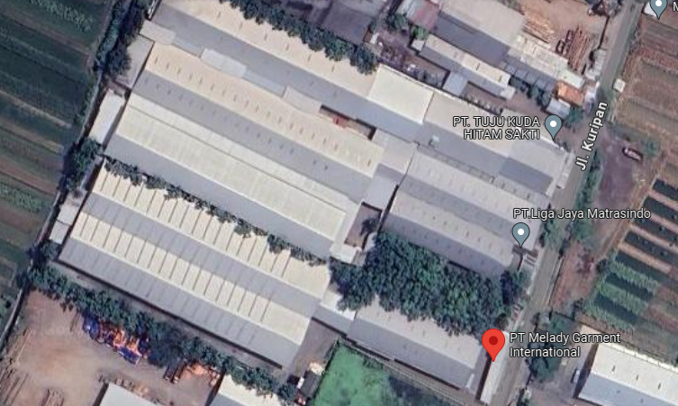
 |  |  |  |  | 5 | JTR 1 Fasa Only / UB
MGN03-92
1 CG-312A 100 KVA
1 CM2-11
1 SR APP 3P 131KVA
 |  |  |  |  | 6 | JTR 3 Fasa Only / UB
 |  |  |  |  | 7 | Trafo 1 Fasa
MGN03-89/5
2 C12-35OE
1 CG 313A 200 KVA
3 CM2-11M
1 CC1-A
1 CC7
1 CM2-12
1 GB3-2
50 AAAC 1X70mm2
50 NYY 1X95 mm2
50 NYY 1X70 mm2
2 PIPA PVC 6"
4 KNEE PIPA 6"
4 SPIRAL PRALON 6"
4 POLEBAND DR 10.5
4 POLEBAND DR 6.5
4 KABEL BEVESTEGGING 6" 8 SEPATU KABEL CU-CU 70 mm2
8 SEPATU KABEL CU-CU 95 mm2
1 PAPAN PERINGATAN
1 PENGHALANG PANJAT
 |  |  |  |  | 8 | Trafo 3 Fasa
 |  |  |  |  | 9 | Fuse Cut Out
 |  |  |  |  | 10 | ABSW
 |  |  |  |  | 11 | Vang Net
 |  |  |  |  | 12 | Schoor
 |  |  |  |  | 13
MGN03-89/4
2 C12-350E
1 CC7
3 CM5-5
1 CM2-12
4 CCO 70-70
 |  |  |  |  | Bongkar Pasang Konstruksi :
 |  |  |  |  | Pasang |  |  |  | Bongkar
 |  |  |  |  | C12-350E |  | BTG | 2 | CG-312A 100KVA |  | U | 1
 |  |  |  |  | CC1-A |  | U | 1 | CM2-11 |  | U | 1
A
 |  |  |  |  | CC7 |  | U | 2 | SR APP 3P 131KVA |  | U | 1
 |  |  |  |  | CG-313A 200KVA |  | U | 1
37 m
37 m
 |  |  |  |  | CM2-11M |  | U | 3
APP
 |  |  |  |  | CM2-12 |  | U | 2
 |  |  |  |  | CM5-5 |  | U | 3
 |  |  |  |  | GB3-2 |  | U | 1
 |  |  |  |  | AAAC 1X70 MM2 |  | M | 50
 |  |  |  |  | NYY 1X70mm2 |  | M | 50
APP
APP
 |  |  |  |  | NYY 1X95 mm2 |  | M | 50
 |  |  |  |  | PIPA PVC 6" |  | B | 2
 |  |  |  |  | SPIRAL PRALON 6" |  | M | 4
s
s
 |  |  |  |  | POLEBAND DR 10.5" |  | B | 4
APP
 |  |  |  |  | POLEBAND DR 6.5" |  | B | 4
s
s
 |  |  |  |  | KABEL BEVESTEGGING 6" |  | B | 4
 |  |  |  |  | SEPATU KABEL CU-CU 70 mm2 |  | B | 8
 |  |  |  |  | SEPATU KABEL CU-CU 95 mm2 |  | B | 8
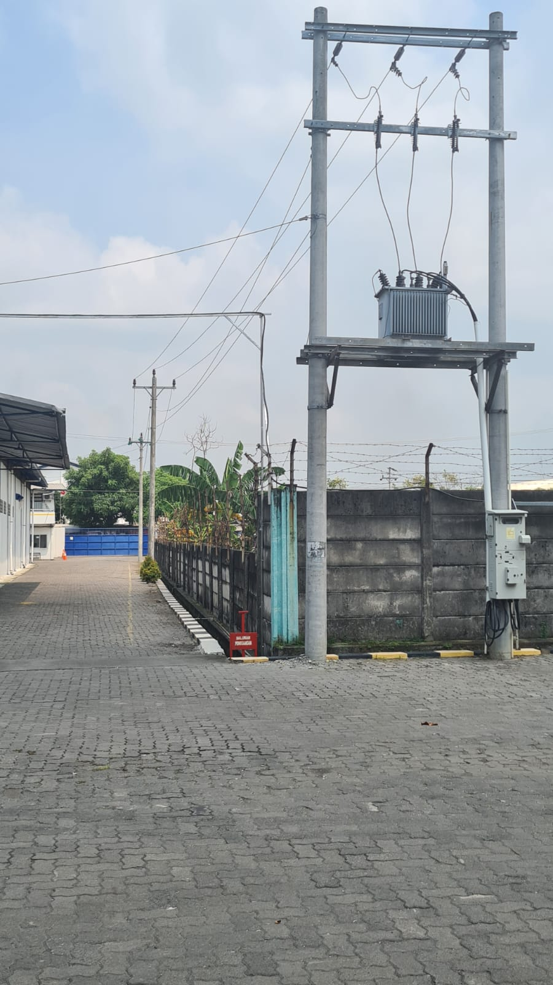
MGN03-89/5
xxxxxx
 |  |  |  |  | PAPAN PERINGATAN |  | B | 1
 |  |  |  |  | PENGHALANG PANJAT |  | B | 1
 |  |  |  |  | Keterangan Tambahan : -7.04152393085935,110.54700495215234

 |  |  |  |  | Golongan
 |  |  |  |  | No. Gambar |  | 1 |  |  | Lembar |  | dr
 |  |  |  |  | Gambar dari |  |  |  |  | Skala
 |  |  |  |  | Perihal:
 |  |  |  |  | PT. MELADY GARMEN
 |  |  |  |  | JL RAYA PURWODADI - SEMARANG KM 17 KALITENGAH MRANGGEN

 |  |  |  |  | Digambar |  | Staf Teknik
 |  |  |  |  | Diperiksa |  | TL. Teknik
 |  |  |  |  | Diketahui |  | Manager ULP
 |  |  |  |  | Disetujui |  | Man. Perencanaan

SLD
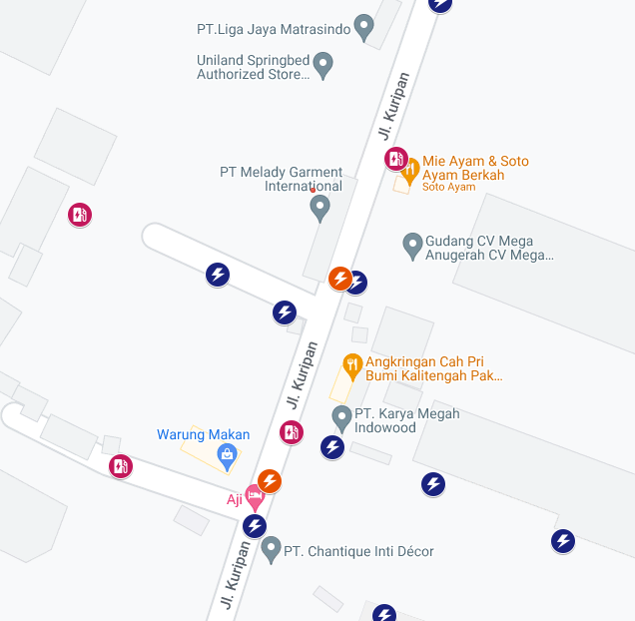
SINGLE LINE DIAGRAM LOKASI PELANGGAN

